Dummydata
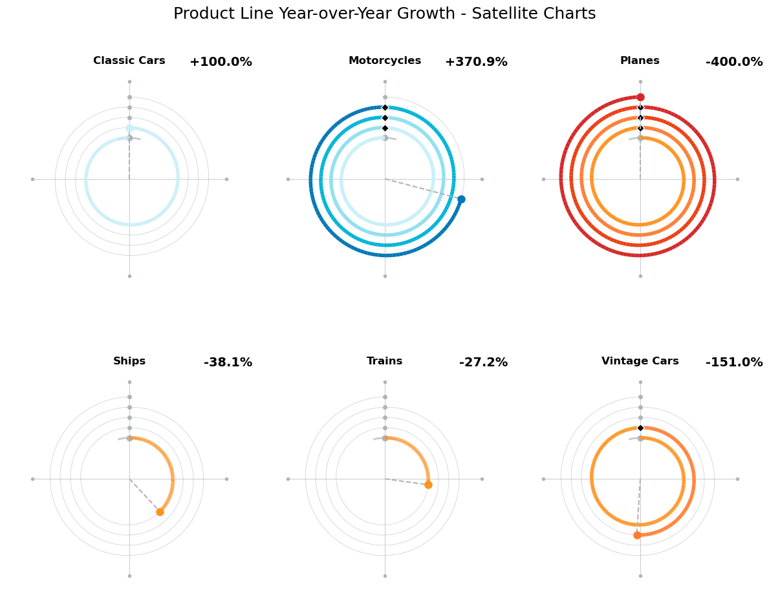
Product Line | 2023 | 2024
Classic Cars | $100,000 | $200,000
Motorcycles | $100,000 | $470,896
Planes | $100,000 | $(300,000)
Ships | $250,000 | $154,821
Trains | $100,000 | $72,802
Vintage Cars | $100,000 | $(50,988)

